Attachments
When verified, KARLA will scan documents and pull JSON data | Information to extract | Value | Cross Reference
Drivers Licenses | Profile Photo | Strong | None
 | Last name | Strong | Must Match with Credit Score
 | First name | Medium | Must Match with Credit Score
 | Date of Birth, Address | Weak | None
Profile Photo: | Will be used as client's main picture in Application
Credit Score | Credit Score | Strong | None
 | Last name | Strong | Must Match with Drivers License
 | First name | Medium | Must Match with Drivers License
Credit Score: | Typically big number, in usually 500+ - 999. If under 650, flag as bad credit. This will be used in the CRM.
Letter of Employment: | Last name | Medium
 | First name | Medium
 | Title / Position / Role | Strong
 | Employer | Medium
 | Salary | Strong
Title / Position / Role: | We must identify the title / position / role name within the Offer Letter / Letter of Employement. This will be used in the CRM. |  |  | Here is example of using extracted information
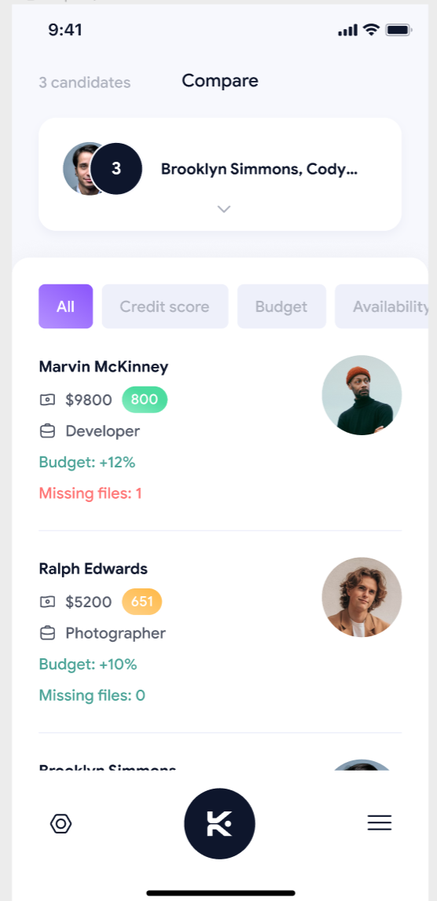
Employer: | Identify the name of the employer. This will be used in CRM
Salary Annual: | Annual Salary must be extracted. This will be used in CRM and rent calculator
Salary Hourly: | If hourly, we must extract the hourly rate

